Summary_ML_models
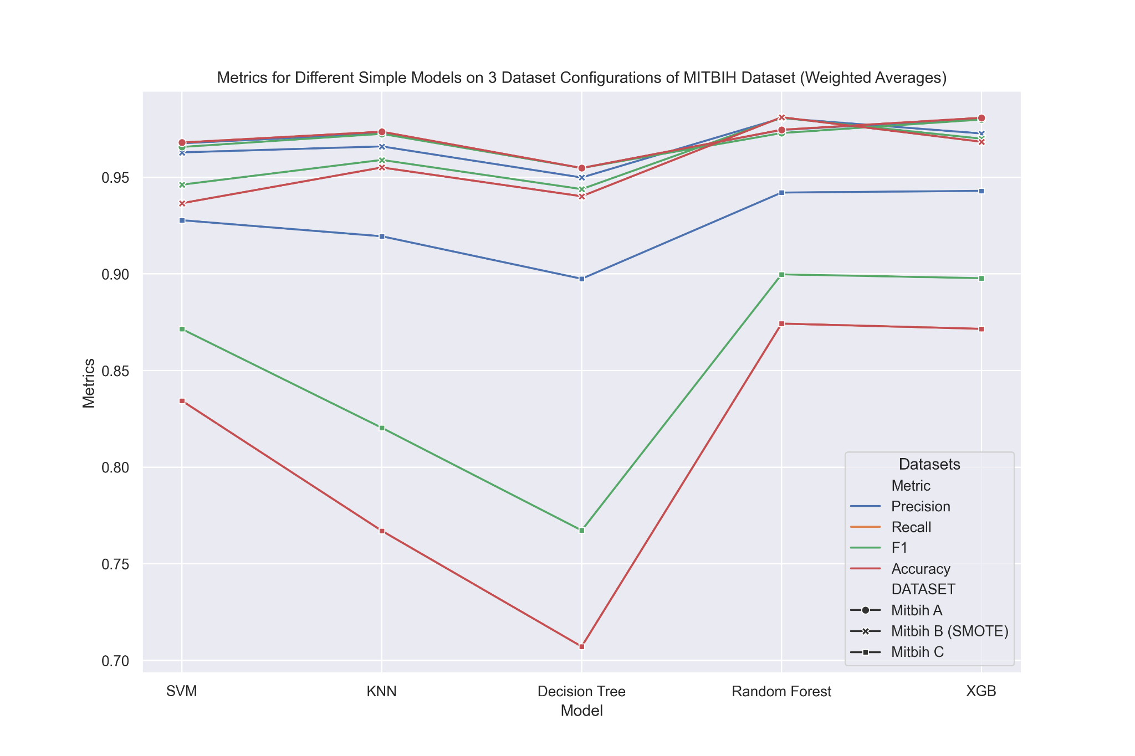
Weighted Average results for MITBIH
Method | Precision | Recall | F1 | Accuracy | DATASET
SVM | 0.9676 | 0.968 | 0.9657 | 0.968 | Mitbih A
KNN | 0.9727 | 0.9736 | 0.9725 | 0.9736 | Mitbih A
Decision Tree | 0.9548 | 0.9548 | 0.9548 | 0.9548 | Mitbih A
Random Forest | 0.9745 | 0.9746 | 0.9729 | 0.9746 | Mitbih A
XGB | 0.9804 | 0.9808 | 0.9799 | 0.9808 | Mitbih A
SVM | 0.9629 | 0.9366 | 0.9462 | 0.9366 | Mitbih B (SMOTE)
KNN | 0.966 | 0.9551 | 0.959 | 0.9551 | Mitbih B (SMOTE)
Decision Tree | 0.9499 | 0.9402 | 0.9439 | 0.9402 | Mitbih B (SMOTE)
Random Forest | 0.9806 | 0.9811 | 0.9808 | 0.9811 | Mitbih B (SMOTE)
XGB | 0.9727 | 0.9684 | 0.97 | 0.9684 | Mitbih B (SMOTE)
SVM | 0.9278 | 0.8344 | 0.8715 | 0.8344 | Mitbih C
KNN | 0.9195 | 0.7671 | 0.8204 | 0.7671 | Mitbih C
Decision Tree | 0.8975 | 0.7072 | 0.7673 | 0.7072 | Mitbih C
Random Forest | 0.9421 | 0.8743 | 0.8998 | 0.8743 | Mitbih C
XGB | 0.943 | 0.8716 | 0.8978 | 0.8716 | Mitbih C

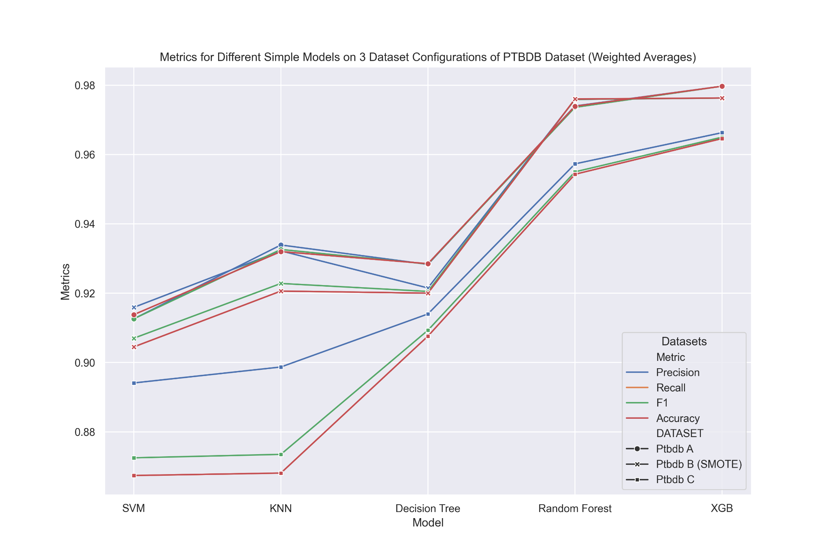
Weighted Average results for PTBDB |  |  |  |  |  |  | Plots MITBIH and PTBDB Updated 09.03.24 with new results
Method | Precision | Recall | F1 | Accuracy | DATASET
SVM | 0.9126 | 0.9138 | 0.9126 | 0.9138 | Ptbdb A
KNN | 0.9339 | 0.932 | 0.9326 | 0.932 | Ptbdb A
Decision Tree | 0.9283 | 0.9285 | 0.9284 | 0.9285 | Ptbdb A
Random Forest | 0.974 | 0.9739 | 0.9736 | 0.9739 | Ptbdb A
XGB | 0.9797 | 0.9797 | 0.9797 | 0.9797 | Ptbdb A
SVM | 0.9159 | 0.9045 | 0.907 | 0.9045 | Ptbdb B (SMOTE)
KNN | 0.9322 | 0.9206 | 0.9228 | 0.9206 | Ptbdb B (SMOTE)
Decision Tree | 0.9215 | 0.92 | 0.9205 | 0.92 | Ptbdb B (SMOTE)
Random Forest | 0.9759 | 0.976 | 0.9759 | 0.976 | Ptbdb B (SMOTE)
XGB | 0.9763 | 0.9763 | 0.9763 | 0.9763 | Ptbdb B (SMOTE)
SVM | 0.8941 | 0.8674 | 0.8725 | 0.8674 | Ptbdb C
KNN | 0.8987 | 0.8681 | 0.8735 | 0.8681 | Ptbdb C
Decision Tree | 0.914 | 0.9076 | 0.9093 | 0.9076 | Ptbdb C
Random Forest | 0.9573 | 0.9543 | 0.955 | 0.9543 | Ptbdb C
XGB | 0.9663 | 0.9646 | 0.965 | 0.9646 | Ptbdb C

Help Tables for Gridsearch and Normal A MITBIH Comparison |  |  |  |  |  | Difference between gridsearch and non-optimized models on MITBIH A in percent
Method | Precision | Recall | F1 | Accuracy |  | Method | Precision | Recall | F1 | Accuracy
SVM | 0.9676 | 0.968 | 0.9657 | 0.968 |  | SVM | 0.014882183 | 0.014462810 | 0.016878948 | 0.014462810
KNN | 0.9727 | 0.9736 | 0.9725 | 0.9736 |  | KNN | 0.007504883 | 0.006573541 | 0.007712082 | 0.006573541
Decision Tree | 0.9548 | 0.9548 | 0.9548 | 0.9548 |  | Decision Tree | 0.005446167 | 0.005446167 | 0.005446167 | 0.005446167
Random Forest | 0.9745 | 0.9746 | 0.9729 | 0.9746 |  | Random Forest | 0.000513084 | 0.000410425 | 0.000102785 | 0.000410425
XGB | 0.9804 | 0.9808 | 0.9799 | 0.9808 |  | XGB | 0.001631987 | 0.002243067 | 0.002143076 | 0.002243067

 |  | GridSearch
Method | Precision | Recall | F1 | Accuracy
SVM | 0.982 | 0.982 | 0.982 | 0.982
KNN | 0.98 | 0.98 | 0.98 | 0.98
Decision Tree | 0.96 | 0.96 | 0.96 | 0.96
Random Forest | 0.975 | 0.975 | 0.973 | 0.975
XGB | 0.982 | 0.983 | 0.982 | 0.983

Summary_DL_models
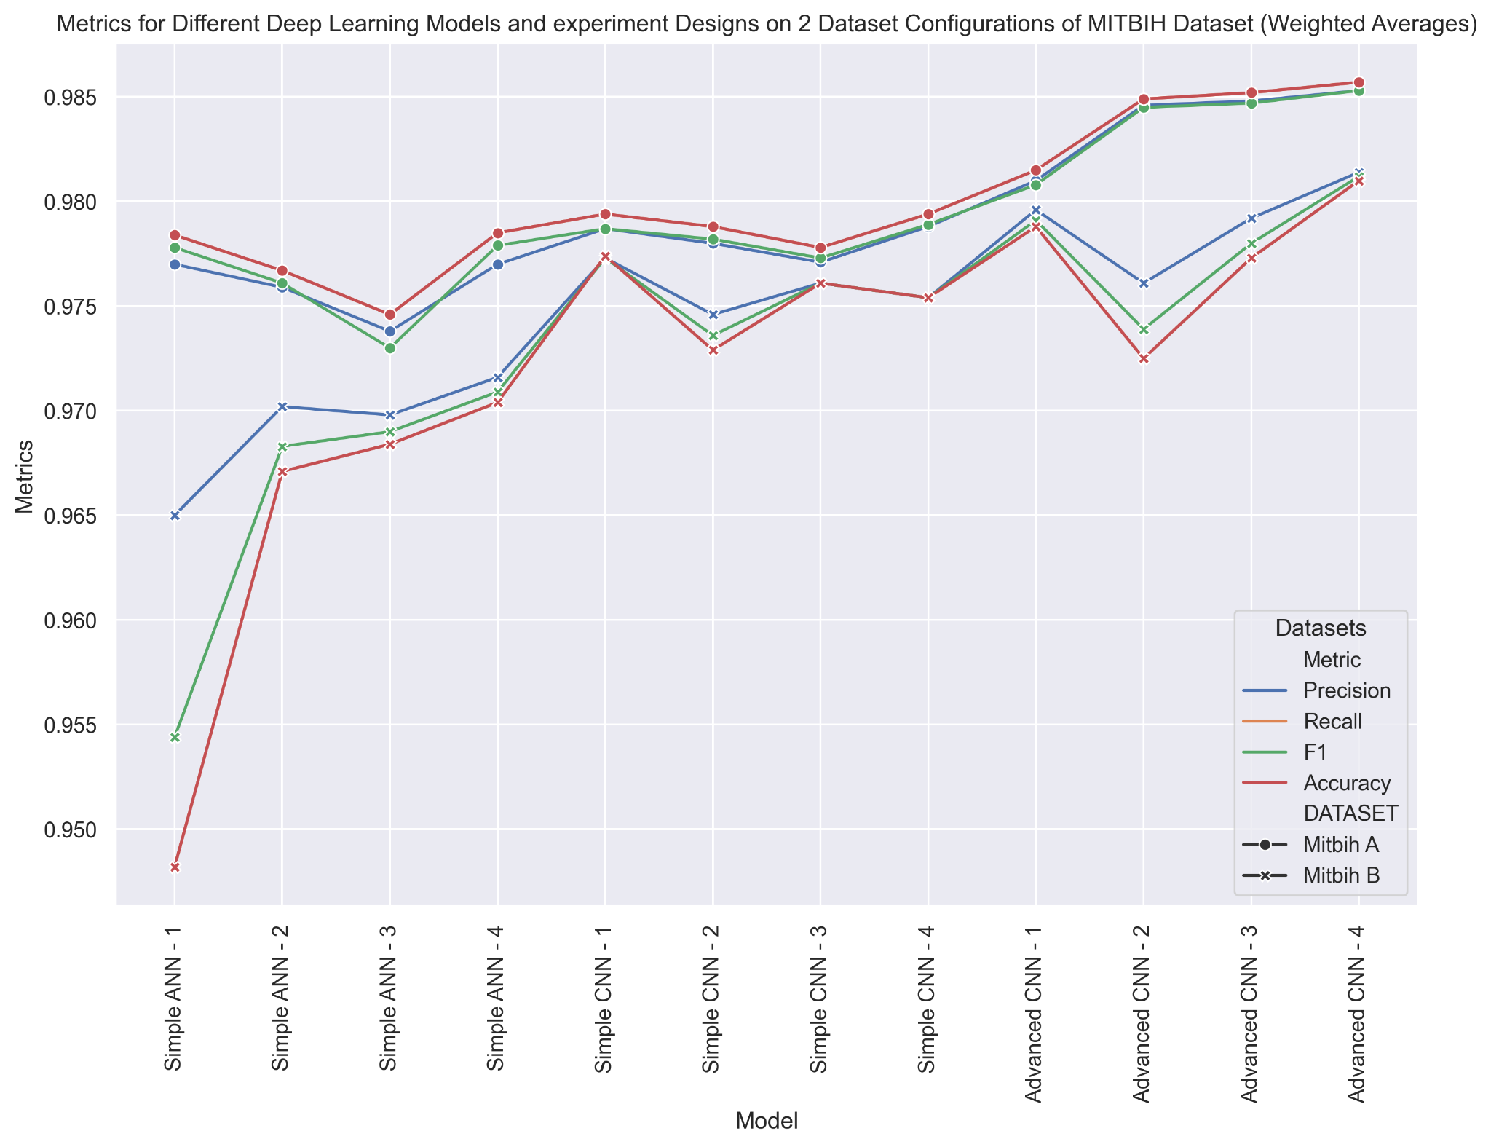
 | Weighted Average results for MITBIH
Exp. No | Method | Precision | Recall | F1 | Accuracy | DATASET
1 | SIMPLE ANN - 1 | 0.977 | 0.9784 | 0.9778 | 0.9784 | Mitbih A
2 | SIMPLE ANN - 2 | 0.9759 | 0.9767 | 0.9761 | 0.9767 | Mitbih A
3 | SIMPLE ANN - 3 | 0.9738 | 0.9746 | 0.973 | 0.9746 | Mitbih A
4 | SIMPLE ANN - 4 | 0.977 | 0.9785 | 0.9779 | 0.9785 | Mitbih A
1 | SIMPLE ANN - 1 | 0.965 | 0.9482 | 0.9544 | 0.9482 | Mitbih B
2 | SIMPLE ANN - 2 | 0.9702 | 0.9671 | 0.9683 | 0.9671 | Mitbih B
3 | SIMPLE ANN - 3 | 0.9698 | 0.9684 | 0.969 | 0.9684 | Mitbih B
4 | SIMPLE ANN - 4 | 0.9716 | 0.9704 | 0.9709 | 0.9704 | Mitbih B
1 | SIMPLE CNN - 1 | 0.9787 | 0.9794 | 0.9787 | 0.9794 | Mitbih A
2 | SIMPLE CNN - 2 | 0.978 | 0.9788 | 0.9782 | 0.9788 | Mitbih A
3 | SIMPLE CNN - 3 | 0.9771 | 0.9778 | 0.9773 | 0.9778 | Mitbih A
4 | SIMPLE CNN - 4 | 0.9788 | 0.9794 | 0.9789 | 0.9794 | Mitbih A
1 | SIMPLE CNN - 1 | 0.9773 | 0.9774 | 0.9773 | 0.9774 | Mitbih B
2 | SIMPLE CNN - 2 | 0.9746 | 0.9729 | 0.9736 | 0.9729 | Mitbih B
3 | SIMPLE CNN - 3 | 0.9761 | 0.9761 | 0.9761 | 0.9761 | Mitbih B
4 | SIMPLE CNN - 4 | 0.9754 | 0.9754 | 0.9754 | 0.9754 | Mitbih B
1 | ADVANCED CNN - 1 | 0.981 | 0.9815 | 0.9808 | 0.9815 | Mitbih A
2 | ADVANCED CNN - 2 | 0.9846 | 0.9849 | 0.9845 | 0.9849 | Mitbih A
3 | ADVANCED CNN - 3 | 0.9848 | 0.9852 | 0.9847 | 0.9852 | Mitbih A
4 | ADVANCED CNN - 4 | 0.9853 | 0.9857 | 0.9853 | 0.9857 | Mitbih A
1 | ADVANCED CNN - 1 | 0.9796 | 0.9788 | 0.9791 | 0.9788 | Mitbih B
2 | ADVANCED CNN - 2 | 0.9761 | 0.9725 | 0.9739 | 0.9725 | Mitbih B
3 | ADVANCED CNN - 3 | 0.9792 | 0.9773 | 0.978 | 0.9773 | Mitbih B
4 | ADVANCED CNN - 4 | 0.9814 | 0.981 | 0.9812 | 0.981 | Mitbih B

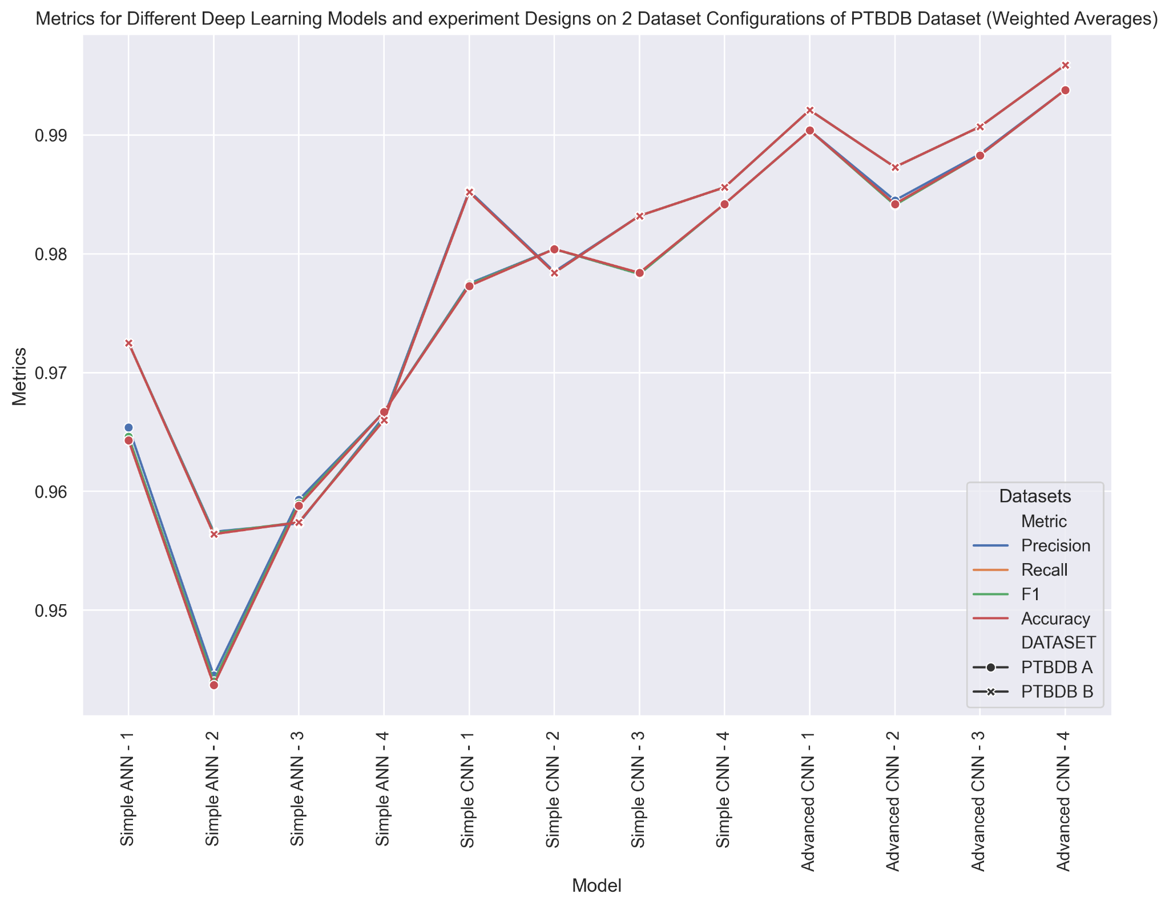
 | Weighted Average results for PTBDB
Exp. No. | Method | Precision | Recall | F1 | Accuracy | DATASET
1 | SIMPLE ANN - 1 | 0.9654 | 0.9643 | 0.9646 | 0.9643 | PTBDB A
2 | SIMPLE ANN - 2 | 0.9445 | 0.9437 | 0.944 | 0.9437 | PTBDB A
3 | SIMPLE ANN - 3 | 0.9593 | 0.9588 | 0.959 | 0.9588 | PTBDB A
4 | SIMPLE ANN - 4 | 0.9667 | 0.9667 | 0.9667 | 0.9667 | PTBDB A
1 | SIMPLE ANN - 1 | 0.9725 | 0.9725 | 0.9725 | 0.9725 | PTBDB B
2 | SIMPLE ANN - 2 | 0.9566 | 0.9564 | 0.9565 | 0.9564 | PTBDB B
3 | SIMPLE ANN - 3 | 0.9573 | 0.9574 | 0.9574 | 0.9574 | PTBDB B
4 | SIMPLE ANN - 4 | 0.9663 | 0.966 | 0.9661 | 0.966 | PTBDB B
1 | SIMPLE CNN - 1 | 0.9775 | 0.9773 | 0.9774 | 0.9773 | PTBDB A
2 | SIMPLE CNN - 2 | 0.9804 | 0.9804 | 0.9804 | 0.9804 | PTBDB A
3 | SIMPLE CNN - 3 | 0.9783 | 0.9784 | 0.9783 | 0.9784 | PTBDB A
4 | SIMPLE CNN - 4 | 0.9842 | 0.9842 | 0.9842 | 0.9842 | PTBDB A
1 | SIMPLE CNN - 1 | 0.9853 | 0.9852 | 0.9852 | 0.9852 | PTBDB B
2 | SIMPLE CNN - 2 | 0.9785 | 0.9784 | 0.9784 | 0.9784 | PTBDB B
3 | SIMPLE CNN - 3 | 0.9832 | 0.9832 | 0.9832 | 0.9832 | PTBDB B
4 | SIMPLE CNN - 4 | 0.9856 | 0.9856 | 0.9856 | 0.9856 | PTBDB B
1 | ADVANCED CNN - 1 | 0.9904 | 0.9904 | 0.9904 | 0.9904 | PTBDB A
2 | ADVANCED CNN - 2 | 0.9845 | 0.9842 | 0.9841 | 0.9842 | PTBDB A
3 | ADVANCED CNN - 3 | 0.9884 | 0.9883 | 0.9883 | 0.9883 | PTBDB A
4 | ADVANCED CNN - 4 | 0.9938 | 0.9938 | 0.9938 | 0.9938 | PTBDB A
1 | ADVANCED CNN - 1 | 0.9921 | 0.9921 | 0.9921 | 0.9921 | PTBDB B
2 | ADVANCED CNN - 2 | 0.9873 | 0.9873 | 0.9873 | 0.9873 | PTBDB B
3 | ADVANCED CNN - 3 | 0.9907 | 0.9907 | 0.9907 | 0.9907 | PTBDB B
4 | ADVANCED CNN - 4 | 0.9959 | 0.9959 | 0.9959 | 0.9959 | PTBDB B

